Home
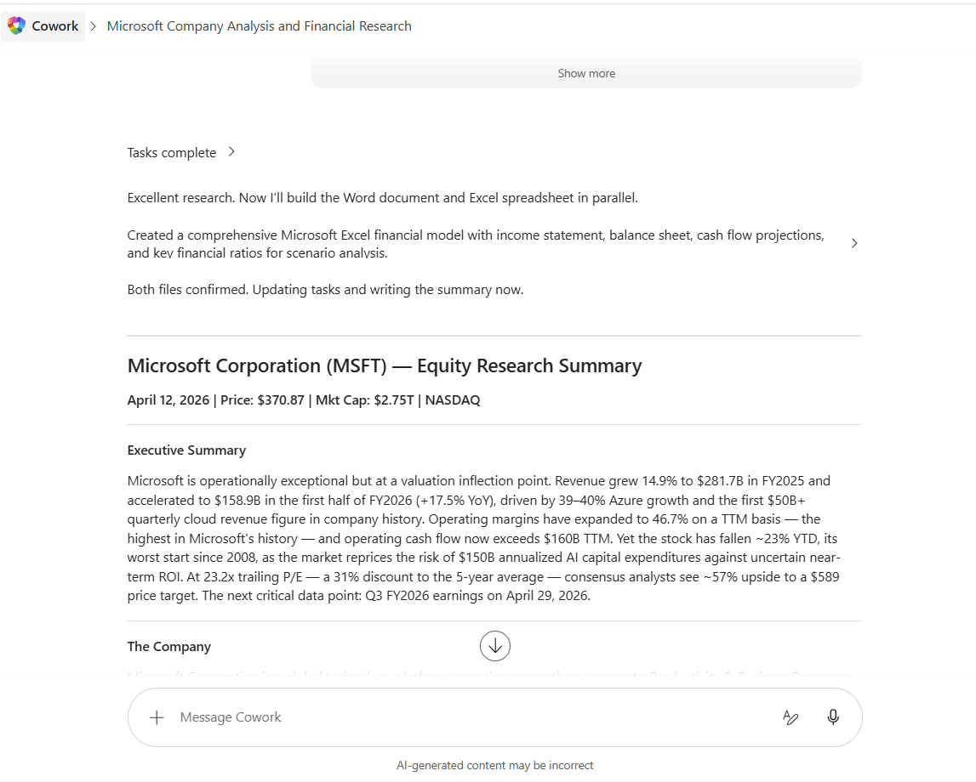
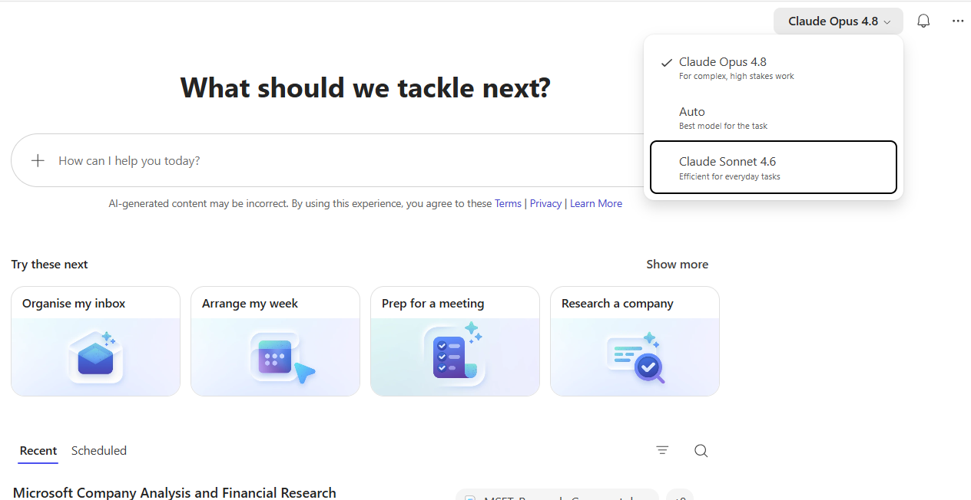
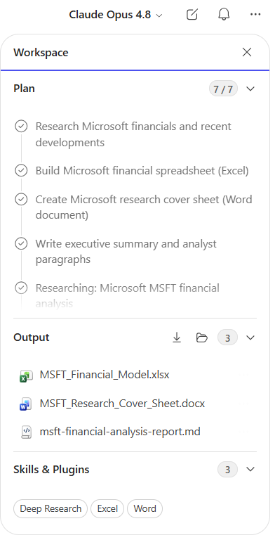
Copilot Cowork: Guide for Finance and FP&A | 
by Christian Martinez

Guide
What makes Copilot Cowork different

Copilot Cowork executes complex, long-running, multi-tool tasks. You define the work and Cowork runs it end-to-end and returns a completed result, not just a draft or a recommendation. Cowork is designed to be more accurate, more secure, and lower cost than other offerings. Five things make that true:

1. Cloud hosting means files are not stored locally, security is strongly enforced, and your tasks keep running even when your laptop is off.
2. Native Work IQ support grounds every task in the systems your business already runs on, so the work reflects real context.
3. Enterprise-grade security and compliance ensure Cowork operates within your Microsoft 365 trust boundary, with protections that align to your organization’s existing policies and controls.
4. Multi-model design lets you run the models a task needs, so capability scales with the work as more models become available.
5. Lower cost from a runtime that efficiently finds the right information and tools, model choice that matches the right model to each task, and billing that charges you only for what you use.

Pricing model

Copilot Cowork requires the Microsoft 365 Copilot User Subscription License (USL). Users are then billed for Cowork on a usage-based basis, with charges determined by the tasks they run.

The Microsoft 365 Copilot USL includes a complete AI productivity experience: Copilot Chat; Copilot in Word, Excel, PowerPoint, Outlook, and Teams, the Work IQ context engine; a multi-model system offering frontier intelligence; pre-built agents like Researcher and Analyst; and custom agents built with Agent Builder. All of that for a predictable per user per month fee.

Copilot Cowork adds a whole new way of working: an agentic system designed for complex, long-running, multi-tool tasks. You are billed on a usage basis, denominated in Copilot Credits, and the price for each task is calculated from four inputs: model use, context retrieval, tool calls, and runtime.

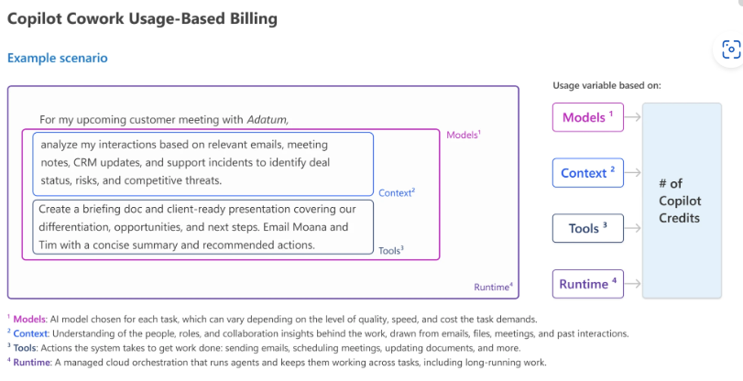

Light tasks use a small number of knowledge sources, apply limited reasoning, and produce one or fewer outputs. Medium tasks draw on multiple sources, apply structured reasoning, and generate two or more outputs. Heavy tasks aggregate broadly, apply deep reasoning, and produce many outputs.

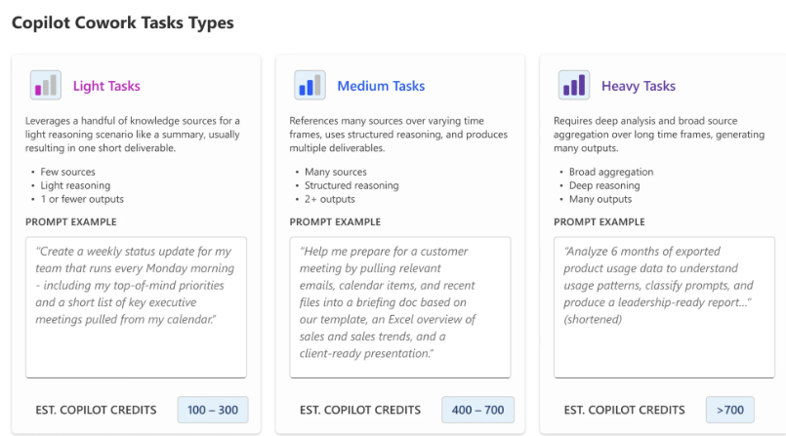

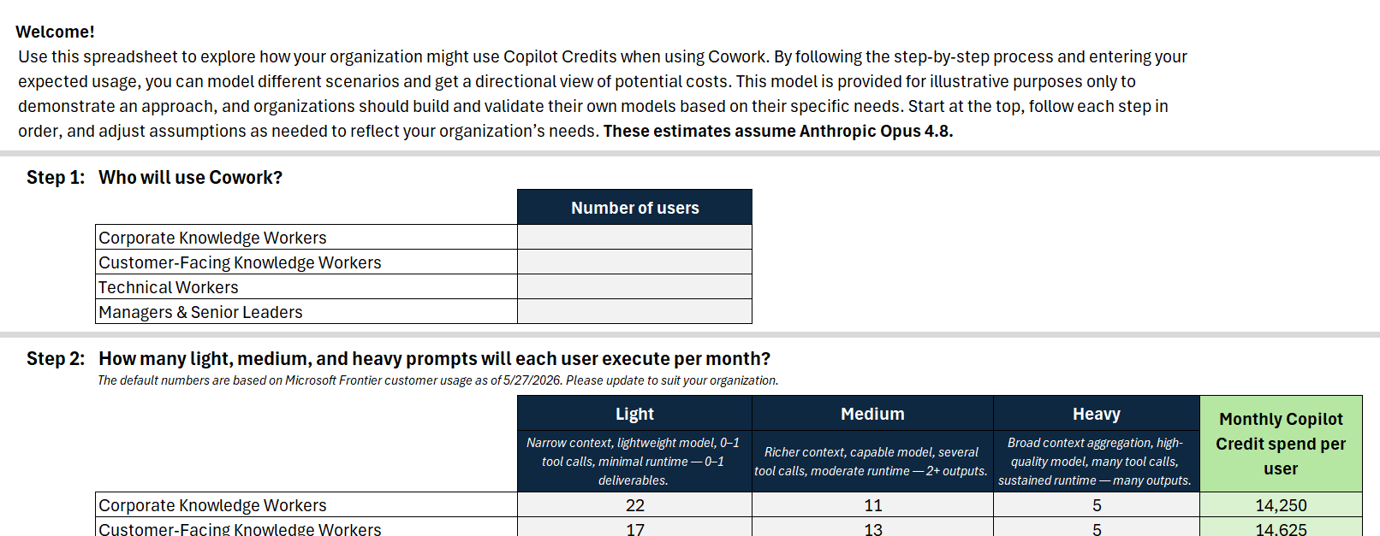
When you combine users by persona with their mix of light, medium, and heavy tasks—and apply a price per prompt—you get a flexible cost model that can help you create a cost estimate you can refine over time. At its core, the model multiplies the number of users in each segment by their expected prompt volume across light, medium, and heavy tasks, applies the cost per prompt type, and sums the total.

Use the Budget Estimator (Created by Microsoft) on the tab to the right

At general availability, Copilot Cowork runs on Anthropic models, including Opus 4.8 and Sonnet 4.6. In Frontier, customers can use GPT 5.5, with Cowork 1 coming soon.

Cowork 1 will deliver optimal cost, quality, and enterprise-grade use, including removing model bias. It’s designed to handle everyday Copilot tasks at a substantially lower cost, making it a strong option for cost-sensitive workloads.

Choose the right tool: Chat, Cowork, or agents

The simplest rule of thumb: use Chat when you want an answer. Use Cowork when you want something done.
Chat, Cowork, and agents, e.g., in Agent Builder, each serves a different purpose. Use the table below as a quick reference for those conversations.

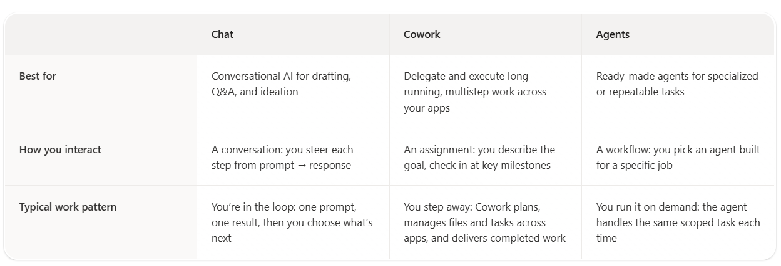

Effective prompting with Cowork

Most finance professionals will get poor results from AI coworkers for the same reason they get poor outputs from analysts:

The request is too vague.

"Analyze our forecast."

"Review our results."

"Prepare for the board meeting."

These aren't instructions.

They're objectives.

Copilot Cowork works best when you define five things:

1. Outcome

What does success look like?

Example:
Create an executive-ready variance analysis package for the CFO explaining revenue, gross margin, and operating expense performance versus budget.

2. Inputs

What data should be used?

Example:
Use:
• Actuals from May FY26
• Budget FY26 Version 3
• Forecast FY26 Version 7
• Monthly business review decks
• ERP and planning system exports
• Leadership meeting notes from the last 30 days

3. Definition of Done

What should Cowork deliver?

Example:
Create:
• A PowerPoint presentation
• Executive commentary for each major variance
• A one-page CFO summary
• A list of recommended actions for underperforming business units

Save all outputs to the Finance Leadership folder in OneDrive.

4. Constraints

What rules must be followed?

Example:
• Use the standard Board Reporting template
• Keep commentary under 100 words per section
• Highlight only variances above €100k or 5%
• Use FY26 reporting terminology
• Do not modify source files

5. Approval Scope

What actions require review?

Example:
Draft reports automatically.

Require approval before:
• Sending emails
• Updating forecasts
• Sharing files with executives

Example FP&A Cowork Prompt

Outcome:
Create a complete monthly performance review package for the CFO.

Inputs:
Actuals, budget, latest forecast, business unit reports, leadership meeting notes, and prior month board deck.

Definition of Done:
Produce a PowerPoint deck, executive summary, variance analysis, KPI dashboard commentary, risk assessment, and recommended actions. Save everything to the CFO Reporting folder.

Constraints:
Use the FY26 Board Template. Focus on revenue, gross margin, EBITDA, cash flow, and headcount. Flag variances greater than 5% or €100k. Keep all executive commentary concise and board-ready.

Approval Scope:
Require approval before distributing reports or emailing stakeholders.

Examples
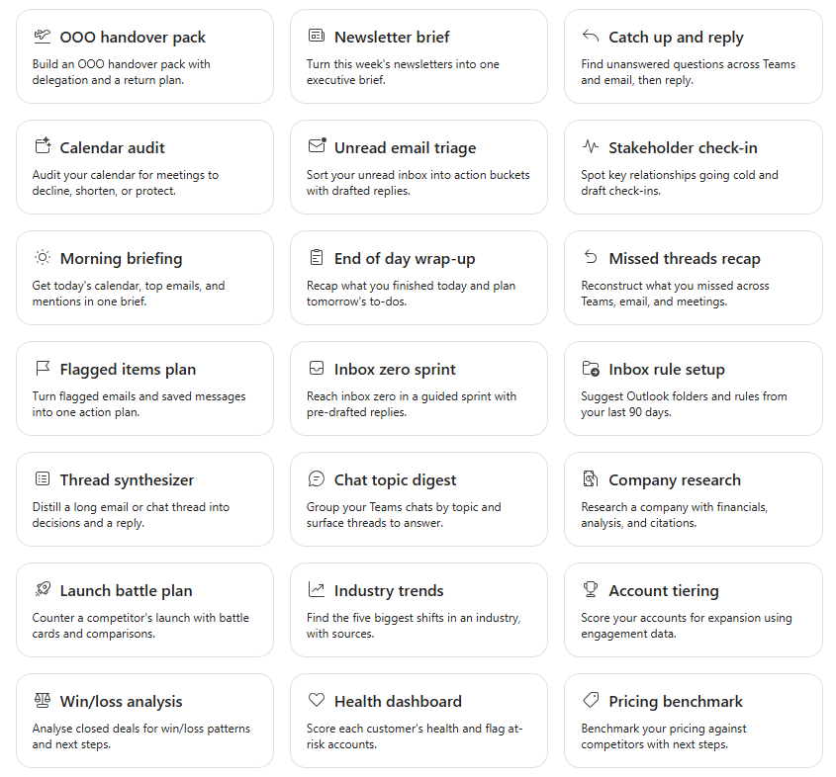
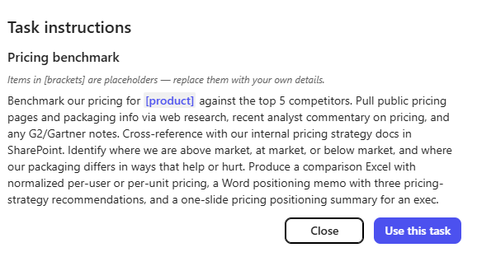
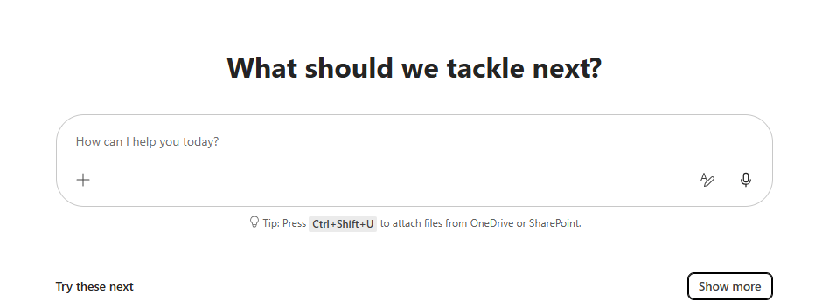

Click Show More at the bottom right in Cowork and then a panel will appear

You can click on each one of the tasks and then the prompt will be visible

